General Limits
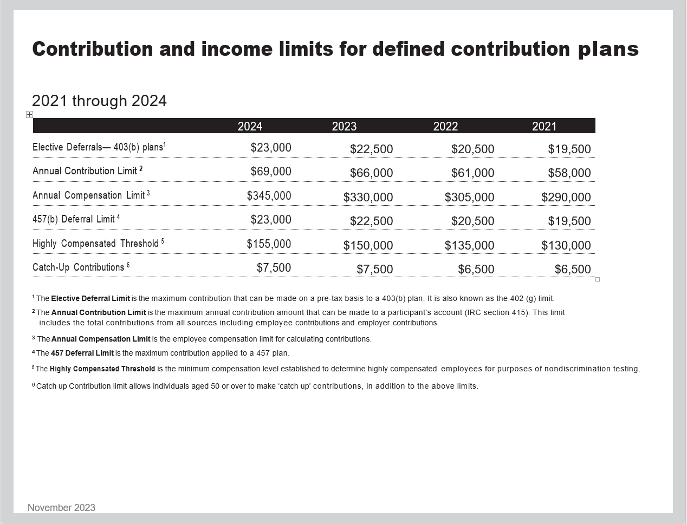
Contribution Maximums to Retirement Plan for 2024

