General Limits
Contribution Maximums to Retirement Plan for 2025
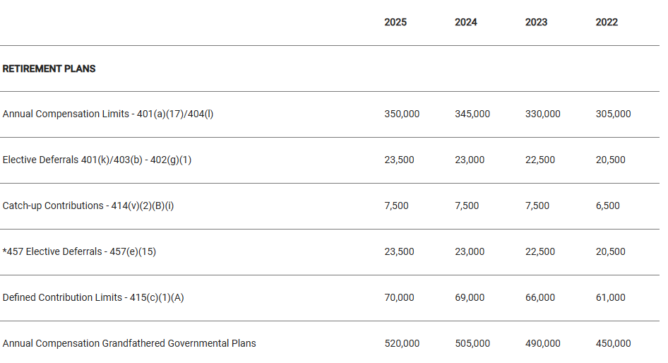

403(b) Plans
The annual elective deferral limit for 403(b) plan employee contributions increased to $23,500 in 2025. Employees age 50 or older may contribute up to an additional $7,500 for a total of $31,000.

457(b) Plans
The normal contribution limit for elective deferrals to a 457(b) deferred compensation plan is increased to $23,500 in 2025. Employees age 50 or older may contribute up to an additional $7,500 for a total of $31,000. Employees taking advantage of the special pre-retirement catch-up may be eligible to contribute up to double the normal limit, for a total of $47,000.

